GDI-CI
COMMERCIAL INVOICE

1.Shipper/Exporter |  |  |  |  | 9. No & Date of Invoice
GDI TEXTILE CO ., LTD |  |  |  |  | GDI/SIGD-260082 |  |  |  |  |  | Date: 2026/04/11
LOT C1, C2, C3, C5, C6 ROAD N6 TMTC INDUSTRIAL
PARK, MOC BAI BORDER GATE ECONOMIC ZONE, |  |  |  |  | 10. No. & Date of L/C
THUAN DONG HAMLET, BEN CAU COMMUNE, TAY NINH PROVINCE, VIETNAM
2.For account & risk of Messers |  |  |  |  | 11. L/C issuing bank
GDI HK LIMITED
(Old Company Name: SIGD LIMITED)
FLAT H, 2/F MANSION INDUSTRIAL BUILDING,
8 A KUNG NGAM VILLAGE LANE, SHAU KEI WAN, HONG KONG |  |  |  |  | Remarks
 |  |  |  |  | TT PAYMENT
3.Notify Party/Ship to |  |  |  |  | CIF
PT Nirwana Alabare Garment |  |  |  |  | SO#
Jl. Raya Rancaekek - Majalaya No.289 Desa Solokan Jeruk ,Kecamatan Solokan Jeruk,
Kabupaten Bandung Jawa Barat 40382,Indonesia
Tel: +62 285962076

5.Port of loading |  |  |  | 6.Final destination |  |  | No.: SC/GDI-SIGD260082
Hochiminh |  |  |  | Indonesia,Jakarta |  |  | Date: 2026/04/11
7.Container No# | 8.Vessel |  |  | 9.Sailing on or about
 | AIR
12.Marks and number of Pkgs. | 13.Useages |  | 14.Customer PO# | 15.Description of Goods. |  |  | 16. Quantity |  |  |  | 17. Unit price (USD/LBS) | 18. Amount (USD)
 |  |  |  |  |  |  | NET WEIGHT KGS | YDS | LBS | MTS
N/M
ROLLS

29 | Body | Roll | SIOB260205004 PO#KD00397 Ref#265K0051-1ST LOT/ S/416363 | 60% BCI COTTON 40%POLYESTER 30S/1 JERSEY (LACOSTE EDGE) 69/71" 145GSM |  | Monet Blue 744 油画蓝 | 645.40 | 2,699.20 | 1,422.80 | 2,468.15 | 1.9000 | 2,703.32
29 |  |  |  | TOTAL |  |  | 645.40 | 2,699.20 | 1,422.80 | 2,468.15 |  | 2,703.32
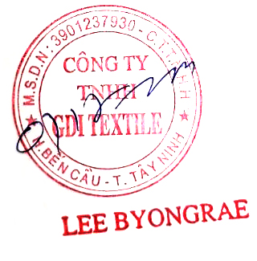

 |  |  |  |  |  |  |  |  |  |  |  |  | (Roll) | (N.W) | (YDS) | (LBS) | Amount
 |  |  |  |  |  |  |  |  |  |  |  |  | TRUE | TRUE | TRUE | TRUE | TRUE

